Sheet1
We're assuming average employability scores of 300 from our graduates… but are they higher than 300 for placed graduates? (let's accept a 15% chance of type I error)
One Tail Hypothesis Test

 |  |  |  |  |  |  |  | Legacy Excel Formulas |  | Legacy Excel Formulas
Employability (After) | Status | HYPOTHESES |  |  |  | SIGNIFICANCE LEVEL |  | SAMPLE DATA |  | HYPOTHESIS TEST |  | CONCLUSION
276 | Placed | Ho: | μ | ≤ | 300 | Alpha: | 0.15 | Sample Size: | 53 | Standard Error: | 11.88 | since P<a, We have sufficient evidence to prove that the average employability score for placed graduates is greater than 300, we should use this as our target, especially since we estimated that our program improves score by atleast 41 points on average
410 | Not Placed | Ha: | μ | > | 300 |  |  | Mean: | 320.5 | Test Statistic (t): | 1.73
119 | Placed |  |  |  |  |  |  | Std Dev: | 86.49 | P-Value: | 0.045
334 | Not Placed
252 | Not Placed
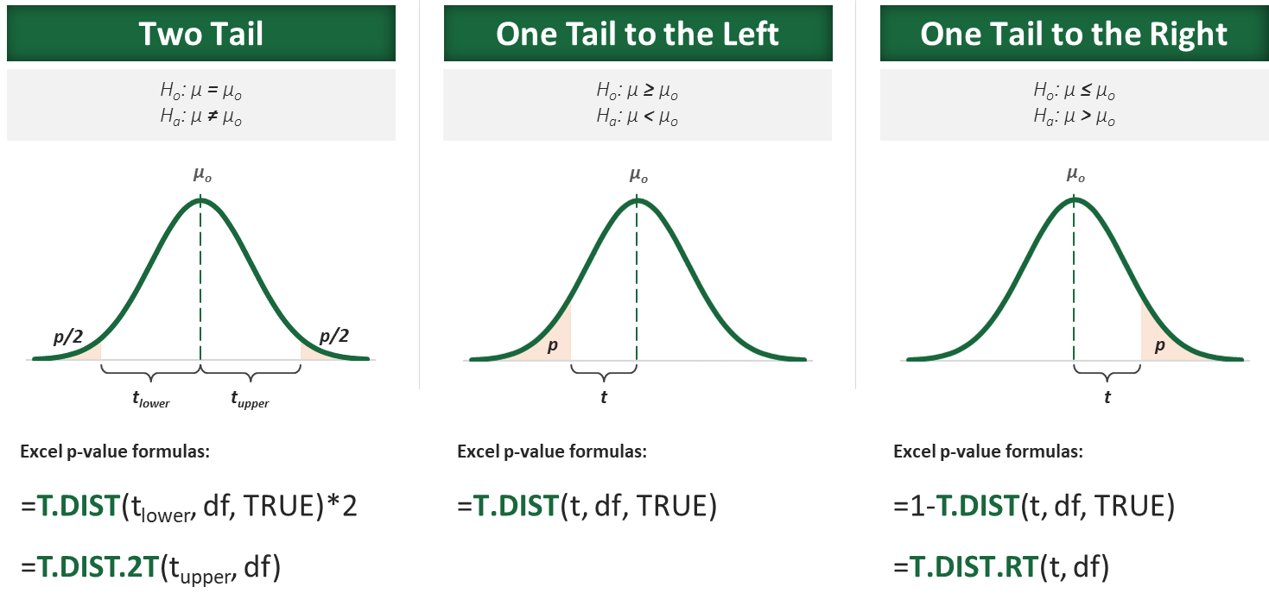
209 | Not Placed
462 | Placed
342 | Placed
347 | Placed
313 | Placed
232 | Not Placed
163 | Placed
119 | Not Placed
304 | Placed
211 | Placed
286 | Placed
122 | Not Placed
443 | Placed
366 | Not Placed
244 | Not Placed
241 | Not Placed
237 | Placed
122 | Not Placed
129 | Not Placed
236 | Placed
251 | Placed
283 | Placed
225 | Not Placed
102 | Not Placed
180 | Placed
247 | Not Placed
343 | Not Placed
283 | Not Placed
253 | Placed
263 | Not Placed
291 | Placed
368 | Placed
206 | Not Placed
231 | Not Placed
389 | Not Placed
396 | Placed
339 | Placed
286 | Placed
146 | Not Placed
315 | Placed
183 | Not Placed
481 | Placed
349 | Not Placed
225 | Placed
217 | Placed
353 | Placed
314 | Not Placed
247 | Placed
410 | Placed
395 | Placed
416 | Placed
342 | Placed
446 | Placed
477 | Placed
444 | Placed
351 | Placed
165 | Not Placed
317 | Placed
250 | Placed
217 | Not Placed
138 | Not Placed
302 | Placed
311 | Not Placed
373 | Placed
196 | Not Placed
306 | Placed
302 | Not Placed
278 | Not Placed
429 | Not Placed
338 | Placed
261 | Not Placed
256 | Not Placed
183 | Placed
274 | Placed
182 | Not Placed
183 | Not Placed
309 | Placed
178 | Not Placed
458 | Placed
234 | Placed
306 | Placed
400 | Placed
337 | Not Placed
325 | Placed
329 | Not Placed
369 | Placed
457 | Placed
421 | Not Placed
282 | Placed
256 | Not Placed

